LSP
 | Setting | Notes
Account Policies
Password Policy | Secpol.msc (search bar) | Computer Configuration\Windows Settings\Security Settings\Account Policies\Password Policy
Enforce password history | 5 passwords remembered | Necessary
Maximum password age | 90 days | Necessary
Minimum password age | 30 days | Necessary
Minimum password length | 14 characters | Necessary
Password must meet complexity requirements | Enabled | Necessary
Store passwords using reversible encryption | Disabled | Necessary
Account Lockout Policy |  | Computer Configuration\Windows Settings\Security Settings\Account Policies\Password Policy
Account lockout duration | 30 min | Necessary
Account lockout threshold | 5 invalid logon attempts | Necessary
Reset account lockout counter after | 30 min | Necessary
Kerberos Policy |  | Computer Configuration\Windows Settings\Security Settings\Account Policies\Kerberos Policy
Enforce user logon restrictions | Enabled
Maximum lifetime for service ticket | 600 minutes
Maximum lifetime for user ticket | 10 hours
Maximum lifetime for user ticket renewal | 10 days
Maximum tolerance for computer clock synchronization | 5 Minutes
Local Policies
Audit Policy |  | Security Settings\Local Policies\Audit Policy
Audit account logon events | SF (success failure) | Necessary
Audit account management | SF | Necessary
Audit directory service access | SF | Necessary
Audit logon events | SF | Necessary
Audit object access | SF | Necessary
Audit policy change | SF | Necessary
Audit privilege use | SF | Necessary
Audit process tracking | SF | Necessary
Audit system events | SF | Necessary
User Rights Assignment |  | Computer Configuration\Windows Settings\Security Settings\Local Policies\User Rights Assignment
Access Credential Manager as a trusted caller | Default
Access this computer from the network | Users and administrators
Act as part of the operating system | Trusted users
Add workstations to domain | Authorized member of IT team
Adjust memory quotas for a process | Only users who could adjust memory quotas
Allow log on locally | Not Defined
Allow log on through Remote Desktop Services | Not Defined
Allow log on through Terminal Services | Default
Back up files and directories | Disabled
Bypass traverse checking | Not Defined
Change the system time | Not Defined
Change the time zone | Not Defined
Create a pagefile | Default
Create a token object | Not Defined
Create global objects | Disabled
Create permanent shared objects | Disabled
Create symbolic links | Not Defined
Debug programs | Only to trusted users/administrators
Deny access to this computer from the network | Default
Deny log on as a batch job | Not Defined
Deny log on as a service | Not Defined
Deny log on locally | Not Defined
Deny log on through Remote Desktop Services | Not Defined
Deny log on through Terminal Services | Not Defined
Enable computer and user accounts to be trusted for delegation | Not Defined/Admin.
Force shutdown from a remote system | Default
Generate security audits | localservice/Network service
Impersonate a client after authentication | Default
Increase a process working set | Users
Increase scheduling priority | Default Value
Load and unload device drivers | Not Defined
Lock pages in memory | Not Defined | https://docs.microsoft.com/en-us/sql/database-engine/configure-windows/enable-the-lock-pages-in-memory-option-windows?view=sql-server-ver15
Log on as a batch job | Default Value
Log on as a service | Minimize list of google accounts
Manage auditing and security log | Admins.
Modify an object label | Disabled
Modify firmware environment values | Default
Obtain an impersonation token for another user in the same session | Default
Perform volume maintenance tasks | Admins.
Profile single process | Default
Profile system performance | Admins.
Remove computer from a docking station | Default
Replace a process level token | Not Defined
Restore files and directories | Default
Shut down the system | Default
Synchronize directory service data | Not Defined
Take ownership of files or other objects | Admins.
Security Options
Accounts |  | Computer Configuration\Windows Settings\Security Settings\Local Policies\Security Options
Administrator account status | Default | By default, this setting is Not Defined on domain controllers and Enabled on stand-alone servers.
Block Microsoft Accounts | Default
Guest account status | Disabled
Limit local use of blank passwords to console logon only | Enabled
Rename administrator account | Enabled
Rename guest account | Enabled
Audit |  | Computer Configuration\Windows Settings\Security Settings\Local Policies\Security Options
Audit the access of global system objects | Disabled
Audit the use of Backup and Restore Privilege | Disabled
Force audit policy subcategory settings | Enabled
Shutdown system immediately if unable to log security | Disabled
Devices
Allow undock without having to logon | Disabled
Allowed to format and eject removable media | Administrators
Prevent users from installing printer drivers | Enabled
Restrict CD ROM access | Enabled | Necessary
Restrict floppy access | Disabled
Domain controller
Allow server operators to schedule tasks | Dependent
LDAP server signing requirements | Require signature
Refuse machine account password changes | Disabled
Domain member
Digitally encrypt or sign secure channel data (always) | Enabled
Digitally encrypt secure channel data (when possible) | Enabled
Digitally sign secure channel data (when possible) | Enabled
Disable machine account password changes | Disabled | IIIII
Maximum machine account password age | 30 days
Require strong session key | Enabled
Interactive logon |  | Computer Configuration\Windows Settings\Security Settings\Local Policies\Security Options
Display user information when session is locked | Not Defined
Do not display last user name | Disabled
Do not require CTRL+ALT+DEL | Disabled | Necessary
Machine account lockout threshold | Disabled
Machine inactivity limit | Disabled
Message text for users attempting to log on | Restricted to authorized users
Message title for users attempting to log on | Authorized users
Number of previous logons to cache | Do not change
Prompt user to change password before expiration | 5 days
Require Domain Controller authentication to unlock | Enabled
Require smart card | Require smart card
Smart card removal behavior | Lock Worksation
Microsoft network client
Digitally sign communications (always) | Enabled
Digitally sign communications (if server agrees) | Enabled
Send unencrypted password to third party smb servers | Disabled
Microsoft network server
Amount of idle time required before suspending session | 15 minutes or less
Attempt S4U2Self to obtain claim information | Not Defined
Digitally sign communications (always) | Disabled
Digitially sign communications (if server agrees) | Enabled
Disconnect clients when logon hours expire | Enabled
Server SPN target name validation level | Off
Network access
Allow anonymous SID/name translation | Disabled
Do not allow enumeration of SAM accounts | Disabled
Do not allow anonymous enumeration of SAM accounts and shares | Enabled/Not Defined
Do not allow storage of passwords and credentials (for network authentication) | Disabled
Let Everyone permissions apply to anonymous users | Disabled
Named Pipes that can be accessed anonymously | Null value (enabled but no info)
Remote accesible registry paths | Null value (enabled but no info)
Remote accesible registry paths and sub paths | Null value (enabled but no info)
Restrict anonymous access to named pipes and shares | Enabled
Shares can be accessed anonymously | Null value (enabled but no info)
Sharing and security model for local accounts | Classic - local users authenticate as themselves.
Network security
Allow Local System to use computer identity for NTLM | Not Defined
Allow Local System NULL session fallback | Default
Allow PKU2U authentication requests to this computer | Disabled/do not configure the policy
Configure encryption types allowed for Kerberos | Not Defined
Do not store LAN manager hash value on next password change | Enabled
Force logoff when logon hours expire | Disabled
LAN manager authentication level | Not Defined
LDAP client signing requirements | Require Signature
Minimum session security for NTLM SSP based (including secure RPC) clients | Enabled
Minimum session security for NTLM SSP based (including secure RPC) servers | Enabled
Add remote server exceptions | Not Defined
Add server exceptions in this domain | Not Defined
Audit incoming NTLM traffic | Not Defined
Audit NTLM authentication in this domain | Not Defined
Incoming NTLM traffic | Not Defined
NTLM authentication in this domain | Not Configured
Outgoing NTLM traffic to remove (remote?) servers
Recovery console
Allow automatic administrative logon | Disabled
Allow floppy copy and access to all drives and all folders | Disabled
Shutdown
Allow system to be shutdown without having to logon | If server, disabled - if client, enabled
Clear virtual memory page file | Enabled | Necessary
System cryptography
Force strong key protection for user keys stored on computer | User must enter password each time key is used
Use FIPS compliant algorithms for encryption, hashing, and signing | Not Defined
System objects
Require case insensitivity for non windows subsystems | Enabled
Strengthen default permissions of internal system objects | Enabled
System settings
Optional subsystems | Null value
Use certificate rules on windows executables | Enabled
User Account Control
Admin Approval Mode for the Built-in Administrator account | Disabled
Allow UIAccess applications to prompt for elevation | Disabled
Behavior of the elevation prompt for administrators in Admin Approval Mode | Prompt for consent for non-Windows Binaries
Behavior of the elevation prompt for standard users | Prompt for credentials
Detect application installations and prompt for elevation | Disabled
Only elevate executables that are signed | Disabled
Only elevate UIAccess applications that are installed in secure locations | Enabled
Run all administrators in Admin Approval Mode | Enabled
Switch to secure desktop when prompting for elevation | Enabled
Virtualize file and registry write failures to per-user locations | Enabled | If you run applications that are not Windows Vista-compliant, enable this security policy to prevent the possibility that these older applications could write data to unsecure locations. If you only run at least Windows Vista–compliant applications, this feature is unnecessary so you can disable this policy.

NOTES
Services : computer programs that operat in the background
- Examples : DNS Client, Parental Controls, Windows Firewall
SERVICE STATES
- Automatic (Windows Firewall, Windows Update, Windows Defender)
Disabled ; IP Helper, SNMP Trap, MOST remote services(RPC is necessary), Server (If it is not a server).
- Manual

Configuring services : mmc > Services snap-in, Win+R > services.msc
* Go to services of your choice and double-click
- Cyberpatriot scoring engine checks if the service is started/stopped as the actual point
- Set to setup setting you dseire, and start/stop if needed

SHARING WITH COMPUTER USERS
- Sharing with computer's users, sharing with domain, sharing with FTP programs, sharing over the cloud.
(Sharing is giving access)
Run -> fsmgmt.msc
Default shares
- ADMIN$
- C$
- IPC$
Unshare anything not specified by the readme and is not one of the default shares
Add any shares if needed by right clicking and selecting "New Share..."
($ = Default share)
Admin, C, IPCs are all default ($)
Remove all unneccesary shares (unless specified otherwise) (Win+R -> Fsmgt.msc -> shares |  | Win+R -> Fsmgt.msc -> shares
Win+R -> Fsmgt.msc -> shares
Windows updates is a software update (rollout of security and software updates)
Keep up to date with patches for bugs that could poitentially break your system or let hackers in

UPDATING WINDOWS 10
- "Windows Update"{ in the search bar
- Settings -> Update & Security
- Updates are always automatic in Windows 10 |  | Animal farm george orwell, anythign by brandon sanderson especially stormlight archive (3k pages each, really good dystopian fantasy novel)

Give me updates for other Microsoft products when I update Windows (Disabled) | Disabled
Defer feature updates (Enabled) | Enabled

Patch = Update
Service Pack - group of patches
Hotfix - file(s) that fix software problems (and fixes updates)

APPLICATION UPDATES
Google search
Might need to remove the older version first, before installing
Some programs don't have installers; you'll need to extract a zip, build your installer...

Every program allowed on the "readme" Update (Enabled) | Enabled

APP UPDATE (BEWARE)
For some programs, you should hnot remove critical configurations or data thart are essential to whatever function your computer serves. It's never a bad idea to BACKUP THE PROGRAM FOLDER beforte you start updating

SHOWING HIDDEN FILES
-view tab
-uncheck "hide protected operating systems files"
Delete Sketchy Files
-Any unauthorized media files
-Any txt files that say "cre3dit cards" or "password" etc.
-Check program files for things that aren't in programs and features
-Use ultrasearch (https://www.jam-software.com/ultrasearch/)

FILE PERMISIONS
-Right click on a folder or file -> properties -> Security
-Only needed to be done when specified to do so

R | Can view (see contents) of a file
W | Can change information in a file
X | Can run the program

Basic Forensics | Looking at specific details for information
-Answers can be found through the use of Google;
-Basic Informaton about system
*Computer name, certain groups, certain users
*Can easily be searched through the image or the system information
-Decryption
*asks you to decrypt a certain image or file
*example: steganography of a picture | (using binary data in photo to hide information)
-File searching and file permissions
*asks about a certain file that is on the computer
*asks about who has certain rigfhts to a certain folder
*Example : who has access to (insert folder or file)
-Ports, PIDs, IPs, etc.
*harder level of forensics
* examples include
^what a port does (insert program) run on
^what an IP is (insert program) trying to connect to
^what is the PID of a backdoor

LOG YOUR ACTIVITY

INSTALLING
Feature > Internet Explorer

GETTING INTO SETTINGS
1. Gear icon
2. click on "Internet options"

SECURITY TAB
Security>>
-All should be in protected mode
Privacy>>
-Pop-up blocker
-Cookies set to second highest, or to accept first-party and block third-party

UPDATE (Sadly) | About internet explorer > Install new versions automatically

Plugins
-Internet Explorer > Gear icon > Manage Plug-Ins (remove all plug-ins)

FIREFOX
- Is a browser
- Doesn't consume as much processing power
- More secure
- A lot more focus on privacy than Google Chrome
- You can disable video autoplay
- Third-party cookies, cryptomining blocked by default
- Fingerprinting can be blocked
- Doesn't eat all your RAM
Updating>>
- You can simply run he installer, and Firefox will be automatically uninstall and reinstall for you as lo9ng as you don't have any firefox windows open\
- Alternatively, you can update through menu (icon -> Help -> About Firefox)
How to get to settings (plugins)>>
1. Click on the 3 bars icon in the top right and then click Add-ons
2. Keep only necessary ones and update them

Firefox Quantum>>
- New look that Firefox got a little more than a year ago
- Firefox qQuantum is not supported for Windows 2008 or below

General Tab>>
-Set Firefox as defau;lt browser'
- Allow firefox to automatically install updates
- Set network settings
Home Tab>>
-Ensure that the homepage and new tabs are not leading into malicious sites
Search Tab>>
- Ensure search engine is a good one
- Do not provide search suggestions | Setting: Do not provide
Security Tab>>
- Ensure content blocking is set well (use logic)
- Send "Do Not Track" signal
- Do not use a master password
- Do not autofill addresses
- When using the address bar, don't suggest
- Block pop-up windows
- Warn you when websites try to install add-ons
- Prevent accessibility services from accessing your browser
- Block dangerous and deceptive content
- Block dangerous downloads
- Warn you about unwanted and uncommon software

Administrator access link : https://www.technipages.com/windows-administrator-account-login-screen

56d7006ea618f208290b502749c441d9

Forensics questions 1, 2, 3 (10 pts each)
Remove unauthorized user (5 pts each)
Create user accouts ()

ADD/DELETE USERS
GUI:
- Use lusrmgr.msc or compmgmt.msc
CMD:
Adding > net user (user) add
Removing > net user (user) delete
POWERSHELL
Adding: New-LocalUser
<nlu - name (username)>
Removing: Remove-LocalUser
<rlu -name (username)>
DO NOT REQUIRE CTRL/ALT/DELETE
Password> CleanFish749
Security settings > password policies
Secpol.msc (search bar)
Read "ReadMe" for reference
 | d
FILE SHARING
run : compmgmt.msc
Direstions >Computer Managment>System Tools>Shared Folders

PROGRAMS
Run : control.exe
Directions > Control Panel> Programs>Programs an Features

COMPETITION
1. Firewall (on)
2. Compare computer users vs. README
a. delete unauthorized
b. switch admin and user accounts to correct authority

lusrmgr.msc
secpol.msc

uscyberpatriot.org/competition/current-competition |  | 10

Control Panel
Security + Maintenance tells what’s up with PC
User Account Control (under Sec + Main) lets you choose when to be notified of changes
Local Users:
-Can only be logged on by one computer
-Managed through Local Users and Groups
LUaG accessed by:
Control Panel-> System & Sec ->Admin tools ->
Checking user properties
-Add users: User folder -> Right click New user
-Remove users: user folder, right click on a user, delete user
-Make admin: groups folder, click on Administrators group, click add, type in user name
-Remove admin: Groups folder, Click on Administrators group, Click user name, Click remove
-Checking groups: Groups folder, double click on group name to configure
Default Guest and Default Administrator Configurations:
-Disable
-Rename, Password expires, or User cannot change password
Local User Configuration: READ THE README, Remove/Disable any unauthorized users, Add any needed users, Change passwords of all users (except self), Password expires
Local Group Management: Groups folder, double click on group name to configure, Remove/Add administrators/users as required, ONLY GUEST should be in Guest group, Unless specified no one is in Remote Desktop Users group
Managing users using CMD:
-Check users: net user
-Check groups: net localgroup
-Add user: net user [username] [password] /add
-Change password: net user [username] [new password]
-Delete user: net user [username] /delete
-Add User to Group: net localgroup [groupname] [username] /add
Local Security Policy
Run: Win+r, secpol.msc
Control Panel: System & Sec, Administrative tools, Local Security Policy
MMC: Win+R, mmc, Add/remove snap-in, Local Security Policy
Password Policies
Enforce password history: 10
Maximum password age: 90
Minimum password age: 30
Minimum password length: 14
Password must meet complexity requirements: True
Store with reversible encryption: False
Account Lockout Policy
Account Lockout duration: 30 minutes
Account lockout threshold: 10 attempts
Reset lockout counter after: 30 minutes
Local Policies
Audit: Everything Success/Failure
Security Options: Do not require CTRL+AlT+DEL [disabled]
Security Options: Clear virtual memory page file [enabled]
Services
Anything that keeps running no matter what
Examples: DNS Client, Parental Controls, Windows Firewall
Service States: Automatic (service starts automatically), Manual (service will not run until called), Disabled (Service cannot start until set to Automatic or Manual)
Disable unless specified: Telnet, IP Helper, SNMP Trap, MOST Remote services (RPC is necessary), Server (if not needed, Scorpio needs Server)
Automatic unless specified: Windows Firewall, Windows Update, Windows Defender
Configuring Services:
mmc > services snap-in
Win+R > services.msc
Go to service of choice and right-click for properties

Shares
Hidden shares are important, and you need to search the full file name to find it
Permissions found in Properties
Updates
Positives are keeping up to date with patches for bugs that can let hackers in.
Update whenever possible during competitions.
Check box: give me updates for other Microsoft products
Update an app
Use google search
File Management
Hidden files
View tab> show hidden files and folders >uncheck hide protected operating system files
Win+R command is control.exe folders
Delete unauthorized media files such as .mp3, .mp4, .txt, etc
Delete sketchy files, you’ll know them when you see them
Show extensions by clicking File Type and it will be organized.
Search *.mp3 and .mp3
File Permissions
Right click on a folder or file > properties > Security
Only do when specified to do so
Programs/Tools
Programs help secure or monitor your system
Some malware bytes help find the backdoor for you
Everything, UltraSearch are file searching
Avast, MalwareBytes are security
Notepad++, MBSA (security) are possible requirements
LSP/Services Template
Open MMC
Add Security Config and Security Template
Set up like LSP, save, and import file
Click Configure Computer Now and do stuff i guess?
Other stuff?
Windows Server Manager replaces the control panel
Remove features through server manager
On Windows Server turn on ESC?
Server 2019 includes ATP and
Windows Server notes (v. important since I’m the server person)
Roles + Features
Features are stuff like bitlocker, telnet, rip listener, powershell
Manage using appwiz.cpl or go under manage and use add/remove roles and features
Server
Configuring and securing web browsers
Internet explorer- use recommended security settings
Windows 10 check the box on Windows Features to install Internet Explorer if not already installed.
Set internet explorer settings by clicking gear icon and clicking internet options
Set all to highest except for trusted sites, which should be set to medium
All should be in Protected mode
Privacy tab: cookies to second highest, accept first-party and block third-party
Pop-up blocker should be on
Plugins:
IE>Gear icon> Manage plugins
Update to latest version and restart
FIREFOX:
Update by going to menu>help>about Firefox
Or, uninstall and re-install
Get to settings by hitting 3 bars in top right
General>Startup>Set Firefox as default browser, Allow Firefox to automatically install updates, set network settings
Firefox Quantum is a thing
Search tab>Ensure search engine is a good one, Do not provide search suggestions
Security>content blocking is set well, send do not track signal, DO NOT USE A MASTER PASSWORD, do not autofill addresses, block pop-up windows, warn when websites try to install add-ons, prevent accessibility aervices from accessing browser, block dangerous and deceptive content, block dangerous downloads, warn about unwanted and uncommon software
Plugins>click 3 bars and click add-ons, keep only necessary ones and update them
IF STUCK
Checklist
Reread README
Compare scoring reports
Get a Linux and/or Cisco person to look at it
Take a break (run away with us for the summer lets go upstate)
Go to the band room and scream
Anti-virus stuff
MalwareBytes
Avast
Task Scheduler
Task Scheduler can be compromised and anti-virus programs won’t catch it.
Task Scheduler can be opened by mmc or WinR> taskschd.msc
Show hidden tasks under view
Create tasks on the right side using wizard
Active window shows tasks that have been started
Identify bad task and get rid of it
Look for name, trigger, and action
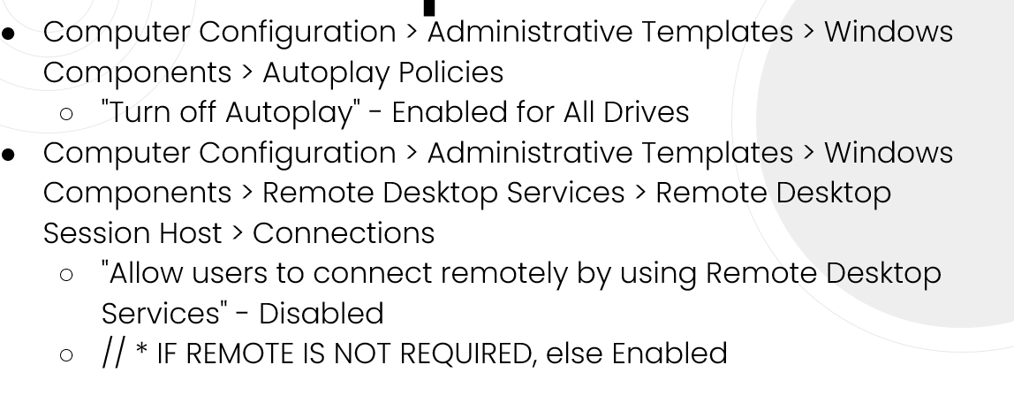
If it is called malware, is triggered whenever you log on, and turns your firewall off, it’s probably a backdoor of some sort
GPEDIT
GPEDIT is the rest of the stuff that Secpol doesn’t show | SEARCH GPEDIT STUFF --> | https://gpsearch.azurewebsites.net/
Frickin ton of settings but most are obvious | View settings on scale of severity --> | https://www.stigviewer.com/
LSP is a part of GPEDIT
WinR>gpedit.msc
Turn off autoplay (Computer Configuration > Administrative Templates > Windows Components > Autoplay Policies)
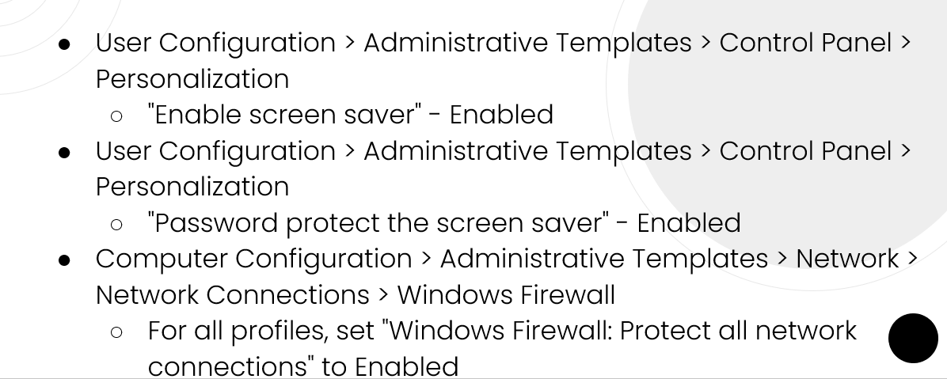
Disable users connect remotely using remote desktop unless remote is required. How to disable: (Computer Configuration > Administrative Templates > Windows Components > Remote Desktop Services > Remote Desktop Session Host > Connections "Allow users to connect remotely using Remote Desktop Services" Disabled)
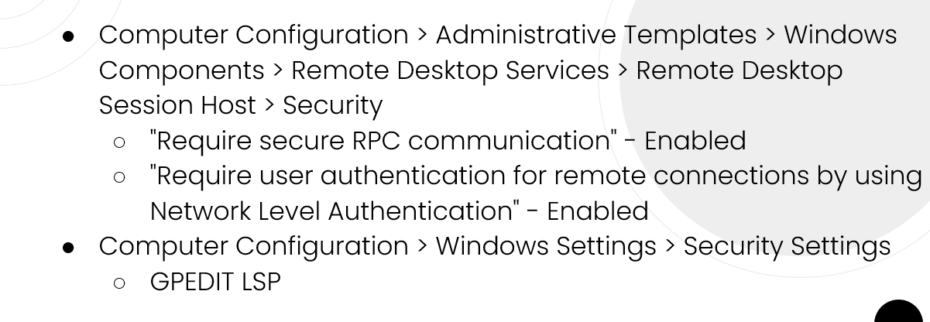
“Allow Cortana” disabled
Comp config>Admin templates> windows components>search
User config>Admin temps>control panel>personalization
“Enable screen saver” enabled
Comp config>admin temps>network>network connections>windows firewall
Set “Windows firewall:protect all network connections” to enabled
Comp config>Admin temps>Windows Components>Remote Desktop Services>RD session host>security
Require secure RPC communication Enabled
Require user authentication for remote connections by using Network Level Authentication Enabled
Comp config>windows settings>security settings
Restart computer or run gpupdate/force (cmd)
LPGO
Tool for importing and exporting group policy settings
Search online and download
Command-line utility, ask Linux for help if tricky
Download LGPO.exe at https://www.microsoft.com/en-us/download/details.aspx?id=55319
Open cmd with admin privileges and go to directory with LGPO.exe
Type: lgpo /b <path where you want to save policy>
Event viewer
Its cool i guess
Each log will have headers that contain information about event
It’s in mmc
Backdoors
Hard to find right away but it gets easier over time
Find active backdoors using task manager and look for netcat/nc.exe/netstat/whatever
Admin cmd>netstat-anbo
Backdoors try to hide as regular stuff
Also called rootkits, can hide from task manager, netstat, and registry
Nc.exe proably backdoor
Other stuff
Figure out how to get antimalware onto image
disable autoplay in settings or gpedit
winR wf.msc make sure firewall is on for all but inbound more important
Servers need to have ports open
Suspicious ports, programs, and locations must be blocked
netstat -ano
Update 7-zip web and Notepad ++
NetCat + CCleaner + Epic Games Launcher Remove
Unauthorized media and hidden stuff removed
Show hidden files = file explorer and hidden files
Default user is disabled(guest, admin, etc. (unless its you))
Turn off Ctrl Alt Del
Don't run Autoplay
Cortana Search disabled
Password 14 characters
IP service disabled
Unshared c: drive
Only if readme says, disable search, but depends
Enable block dangerous FireFox stuff
Block popup ads
5 points-Success Failure audit policies

Forensics Question 1 Correct - 7 pts
Forensics Question 2 Correct - 7 pts | Prohibit access to Control Panel and PC settings
Forensics Question 3 Correct - 7 pts | Remove access to use all Windows Update features
Removed cbakis from users - 8 pts
User zdang removed from Egg Inc Employees - 7 pts
Account management successes and failures are logged - 5 pts
CD-ROM access us restricted to locally logged-on users only - 5 pts
Clear virtual memory page file has been enabled - 5 pts
A secure minimum password age has been set - 5 pts
A secure lockout threshold exists - 5 pts
C: drive unshared - 6 pts
Removed unauthorized keylogger - 5 pts
CCleaner is uninstalled - 10 pts
Remote Assistance has been disabled via GPEDIT - 5 pts
Windows 7 Games are uninstalled - 10 pts
ROM : Read only memory

Forensics Question 1 Correct - 7 pts Forensics Question 2 Correct - 7 pts Forensics Question 3 Correct - 7 pts Removed cbakis from users - 8 pts User zdang removed from Egg Inc Employees - 7 pts Account management successes and failures are logged - 5 pts A secure minimum password age has been set - 5 pts A secure lockout threshold exists - 5 pts Start Buttons folder is removed - 10 pts CCleaner is uninstalled - 10 pts Windows 7 Games are uninstalled - 10 pts

Remote desktop

To gain access to Control panel and Settings, go through "gpedit.msc"

3 main types of networking-NAT, Host-Only, and bridged
If SMB1 is on..... TURN IT OFF
Use SMB2 or SMB3
hi

imagine scrolling down here

